Charts1
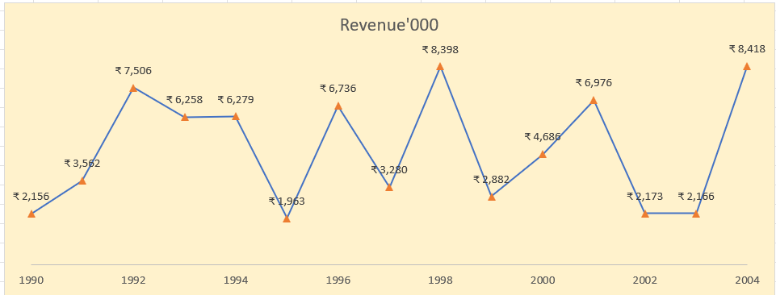
Create Line Chart with Proper formatting
Should be formatted as shown in picture |  | Answer | Date | Revenue'000
 |  |  | 1990 | ₹ 2,156
Date | Revenue'000 |  | 1991 | ₹ 3,562
1990 | ₹ 2,156 |  | 1992 | ₹ 7,506
1991 | ₹ 3,562 |  | 1993 | ₹ 6,258
1992 | ₹ 7,506 |  | 1994 | ₹ 6,279
1993 | ₹ 6,258 |  | 1995 | ₹ 1,963
1994 | ₹ 6,279 |  | 1996 | ₹ 6,736
1995 | ₹ 1,963 |  | 1997 | ₹ 3,280
1996 | ₹ 6,736 |  | 1998 | ₹ 8,398
1997 | ₹ 3,280 |  | 1999 | ₹ 2,882
1998 | ₹ 8,398 |  | 2000 | ₹ 4,686
1999 | ₹ 2,882 |  | 2001 | ₹ 6,976
2000 | ₹ 4,686 |  | 2002 | ₹ 2,173
2001 | ₹ 6,976 |  | 2003 | ₹ 2,166
2002 | ₹ 2,173 |  | 2004 | ₹ 8,418
2003 | ₹ 2,166
2004 | ₹ 8,418

Charts2
Create Combo Chart with Proper formatting
Should be formatted as shown in picture

 | Revenue'000 |  | Running Total
2005 | 528
2006 | 4550 | 7% | 5078
2007 | 8189 | 17% | 13267
2008 | 1730 | 19% | 14997
2009 | 5262 | 26% | 20259
2010 | 2172 | 29% | 22431
2011 | 4384 | 35% | 26815
2012 | 8709 | 46% | 35524
2013 | 3618 | 51% | 39142
2014 | 6372 | 59% | 45514
2015 | 3456 | 63% | 48970
2016 | 7478 | 73% | 56448
2017 | 4649 | 79% | 61097
2018 | 5831 | 86% | 66928
2019 | 1599 | 89% | 68527
2020 | 3695 | 93% | 72222
2021 | 1678 | 95% | 73900
2022 | 3490 | 100% | 77390
Date | Revenue'000 | Running Total | % | Date | Revenue'000 | Running Total | %
2005 | $528 |  |  | 2005 | $528
2006 | $4,550 | 5,078.00 | 7% | 2006 | $4,550 | 5,078.00 | 7%
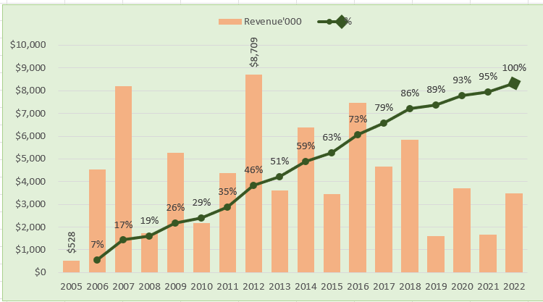
2007 | $8,189 | 13,267.00 | 17% | 2007 | $8,189 | 13,267.00 | 17%
2008 | $1,730 | 14,997.00 | 19% | 2008 | $1,730 | 14,997.00 | 19%
2009 | $5,262 | 20,259.00 | 26% | 2009 | $5,262 | 20,259.00 | 26%
2010 | $2,172 | 22,431.00 | 29% | 2010 | $2,172 | 22,431.00 | 29%
2011 | $4,384 | 26,815.00 | 35% | 2011 | $4,384 | 26,815.00 | 35%
2012 | $8,709 | 35,524.00 | 46% | 2012 | $8,709 | 35,524.00 | 46%
2013 | $3,618 | 39,142.00 | 51% | 2013 | $3,618 | 39,142.00 | 51%
2014 | $6,372 | 45,514.00 | 59% | 2014 | $6,372 | 45,514.00 | 59%
2015 | $3,456 | 48,970.00 | 63% | 2015 | $3,456 | 48,970.00 | 63%
2016 | $7,478 | 56,448.00 | 73% | 2016 | $7,478 | 56,448.00 | 73%
2017 | $4,649 | 61,097.00 | 79% | 2017 | $4,649 | 61,097.00 | 79%
2018 | $5,831 | 66,928.00 | 86% | 2018 | $5,831 | 66,928.00 | 86%
2019 | $1,599 | 68,527.00 | 89% | 2019 | $1,599 | 68,527.00 | 89%
2020 | $3,695 | 72,222.00 | 93% | 2020 | $3,695 | 72,222.00 | 93%
2021 | $1,678 | 73,900.00 | 95% | 2021 | $1,678 | 73,900.00 | 95%
2022 | $3,490 | 77,390.00 | 100% | 2022 | $3,490 | 77,390.00 | 100%

Total | $77,390 |  |  | Total | $77,390

3
Create Scatter Chart with Proper formatting
Should be formatted as shown in picture
X | Y |  |  | X | Y
horsepower | weight | (X-XBAR) | (Y-YBAR) | horsepower | weight
130 | 3504 |  |  | 130 | 3504
165 | 3693 |  |  | 165 | 3693
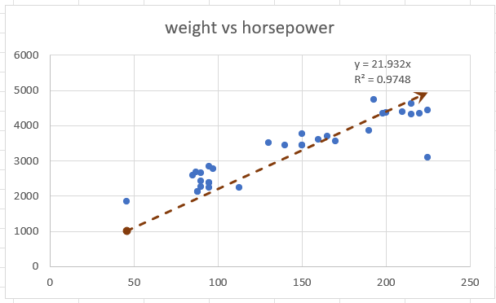
weight vs horsepower
 | weight
130 | 3504
165 | 3693
150 | 3436
150 | 3433
140 | 3449
198 | 4341
220 | 4354
215 | 4312
225 | 4425
190 | 3850
170 | 3563
160 | 3609
150 | 3761
225 | 3086
95 | 2372
95 | 2833
97 | 2774
85 | 2587
88 | 2130
46 | 1835
87 | 2672
90 | 2430
95 | 2375
113 | 2234
90 | 2648
215 | 4615
200 | 4376
210 | 4382
193 | 4732
88 | 2130
90 | 2264
95 | 2228
150 | 3436 |  |  | 150 | 3436
150 | 3433 |  |  | 150 | 3433
140 | 3449 |  |  | 140 | 3449
198 | 4341 |  |  | 198 | 4341
220 | 4354 |  |  | 220 | 4354
215 | 4312 |  |  | 215 | 4312
225 | 4425 |  |  | 225 | 4425
190 | 3850 |  |  | 190 | 3850
170 | 3563 |  |  | 170 | 3563
160 | 3609 |  |  | 160 | 3609
150 | 3761 |  |  | 150 | 3761
225 | 3086 |  |  | 225 | 3086
95 | 2372 |  |  | 95 | 2372
95 | 2833 |  |  | 95 | 2833
97 | 2774 |  |  | 97 | 2774
85 | 2587 |  |  | 85 | 2587
88 | 2130 |  |  | 88 | 2130
46 | 1835 |  |  | 46 | 1835
87 | 2672 |  |  | 87 | 2672
90 | 2430 |  |  | 90 | 2430
95 | 2375 |  |  | 95 | 2375
113 | 2234 |  |  | 113 | 2234
90 | 2648 |  |  | 90 | 2648
215 | 4615 |  |  | 215 | 4615
200 | 4376 |  |  | 200 | 4376
210 | 4382 |  |  | 210 | 4382
193 | 4732 |  |  | 193 | 4732
88 | 2130 |  |  | 88 | 2130
90 | 2264 |  |  | 90 | 2264
95 | 2228 |  |  | 95 | 2228

